Sheet1
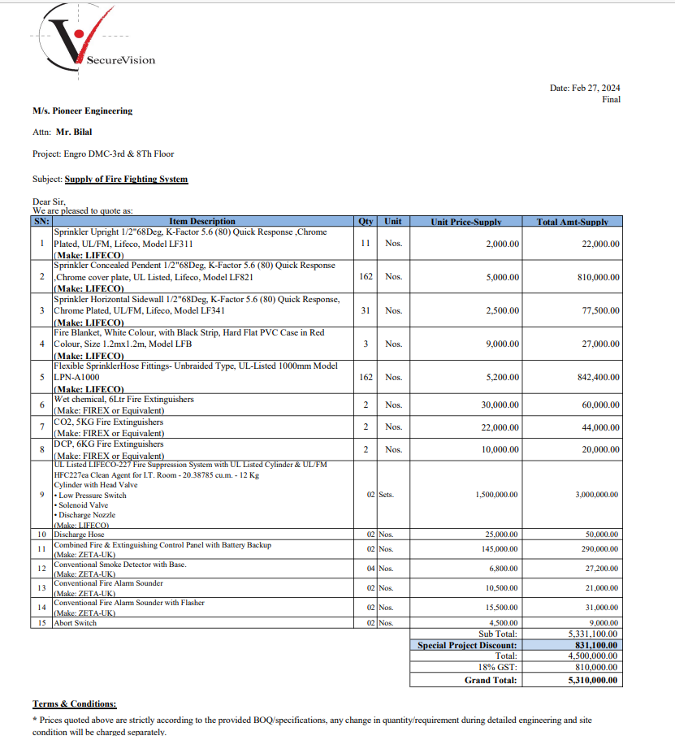
M/S SECURE VISION |  |  |  |  | 28-Feb-24

PO # 133
Att: Mr. Waqas Rasheed

PURCHASE ORDER

Supply of Fire Fighting System inluding FM-200 (3rd & 8th Floor - Engro Office DMC Karachi)
S No. | D e s c r i p t i o n | Qty | Unit | Rate | Amount
1 | Sprinkler Upright 1/2"68Deg, K-Factor 5.6 (80) Quick Response ,Chrome Plated, UL/FM, Lifeco, Model LF311 (Make: LIFECO) | 11 | Nos | 2,000 | 22,000
2 | Sprinkler Concealed Pendent 1/2"68Deg, K-Factor 5.6 (80) Quick Response ,Chrome cover plate, UL Listed, Lifeco, Model LF821 (Make: LIFECO) | 162 | Nos | 5,000 | 810,000
3 | Sprinkler Horizontal Sidewall 1/2"68Deg, K-Factor 5.6 (80) Quick Response, Chrome Plated, UL/FM, Lifeco, Model LF341 (Make: LIFECO) | 31 | Nos | 2,500 | 77,500
4 | Fire Blanket, White Colour, with Black Strip, Hard Flat PVC Case in Red Colour, Size 1.2mx1.2m, Model LFB (Make: LIFECO) | 3 | Nos | 9,000 | 27,000
5 | Flexible SprinklerHose Fittings- Unbraided Type, UL-Listed 1000mm Model LPN-A1000 (Make: LIFECO) | 162 | Nos | 5,200 | 842,400
6 | Wet chemical, 6Ltr Fire Extinguishers (Make: FIREX or Equivalent) | 2 | Nos | 30,000 | 60,000
7 | CO2, 5KG Fire Extinguishers (Make: FIREX or Equivalent) | 2 | Nos | 22,000 | 44,000
5 | DCP, 6KG Fire Extinguishers (Make: FIREX or Equivalent) | 2 | Nos | 10,000 | 20,000
9 | UL Listed LIFECO-227 Fire Suppression System with UL Listed Cylinder & UL/FM HFC227ea Clean Agent for I.T. Room - 20.38785 cu.m. - 12 Kg Cylinder with Head Valve • Low Pressure Switch • Solenoid Valve • Discharge Nozzle (Make: LIFECO) | 2 | Sets | 1,500,000 | 3,000,000
10 | Discharge Hose | 2 | Nos | 25,000 | 50,000
11 | Combined Fire & Extinguishing Control Panel with Battery Backup (Make: ZETA-UK) | 2 | Nos | 145,000 | 290,000
12 | Conventional Smoke Detector with Base. (Make: ZETA-UK) 04 Nos. 6,800.00 27,200.00 13 Conventional Fire Ala | 4 | Nos | 6,800 | 27,200
13 | Conventional Smoke Detector with Base. (Make: ZETA-UK) | 2 | Nos | 10,500 | 21,000
14 | Conventional Fire Alarm Sounder with Flasher (Make: ZETA-UK) | 2 | Nos | 15,500 | 31,000
15 | Abort Switch | 2 | Nos | 4,500 | 9,000
 |  | TOTAL: |  |  | 5,331,100
Discount |  |  |  |  | 831,100
Total amount |  |  |  |  | 4,500,000

Note: Above PO is subject to approval from the consultant.

for PIONEER ENGINEERING SERVICES

